COVER
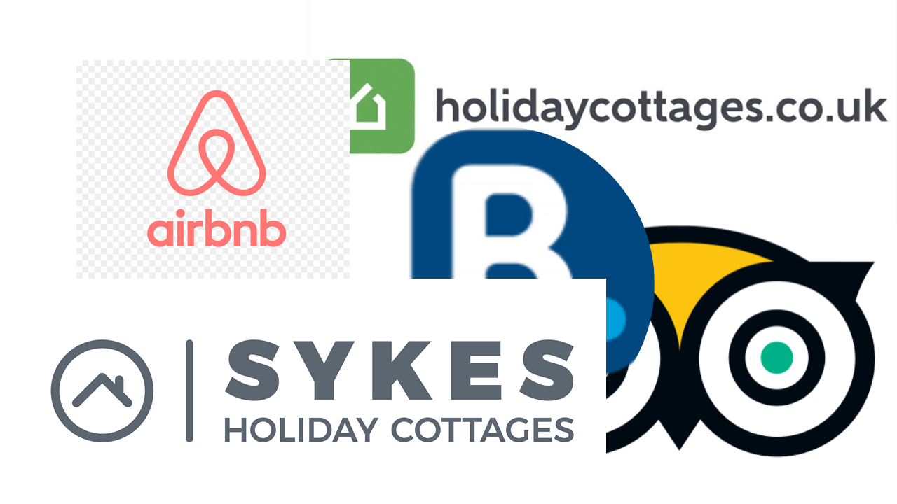

Channel Pricing Calculator

Price You Want
This sheet shows you the rates you'll need to set in order to get your target income and includes standard rate VAT that the OTA's will charge you
You can test rates by adding them in the green rows below the blue block
The spreadsheet will automatically generate the rate you need to charge in each of the major channels to acheive the same rate to you as your required host payment
Do not change anything in the blue columns
Standard channel rates have been used. If yours are diferent you can change them but be sure to remember to use the % key otherwise the calculations will not work
Season/Date | Required Host Payment | Airbnb Price |  | Booking.com Price |  | Trip Advisor Price |  | VRBO/Home Away Price
Customer Commission |  | 14% |  |  |  | 12% |  | 12%
Host Commission | n/a | 3% |  | 15% |  | 3% |  | 5.60%
 | YOU GET | YOU SET | Customer Pays | YOU SET | Customer Pays | YOU SET | Customer Pays | YOU SET | Customer Pays
 | £80 | £82.88 | £93.44 | £94.40 | £94.40 | £82.88 | £91.52 | £85.38 | £91.52
 | £120 | £124.32 | £140.16 | £141.60 | £141.60 | £124.32 | £137.28 | £128.06 | £137.28
 | £150 | £155.40 | £175.20 | £177.00 | £177.00 | £155.40 | £171.60 | £160.08 | £171.60
 | £190 | £196.84 | £221.92 | £224.20 | £224.20 | £196.84 | £217.36 | £202.77 | £217.36
 | £100 | £103.60 | £116.80 | £118.00 | £118.00 | £103.60 | £114.40 | £106.72 | £114.40
 |  | £0.00 | £0.00 | £0.00 | £0.00 | £0.00 | £0.00 | £0.00 | £0.00
 |  | £0.00 | £0.00 | £0.00 | £0.00 | £0.00 | £0.00 | £0.00 | £0.00
 |  | £0.00 | £0.00 | £0.00 | £0.00 | £0.00 | £0.00 | £0.00 | £0.00
 |  | £0.00 | £0.00 | £0.00 | £0.00 | £0.00 | £0.00 | £0.00 | £0.00
 |  | £0.00 | £0.00 | £0.00 | £0.00 | £0.00 | £0.00 | £0.00 | £0.00
 |  | £0.00 | £0.00 | £0.00 | £0.00 | £0.00 | £0.00 | £0.00 | £0.00
 |  | £0.00 | £0.00 | £0.00 | £0.00 | £0.00 | £0.00 | £0.00 | £0.00

Price You Set
This sheet shows you what you'll get in income if you set the same rate in all the OTA's
These calculations look at things from the other side and show what you will receive and your guest will pay if you use the same rate on each platform
Season/Date | Set Price | Airbnb Price |  | Booking.com Price |  | Trip Advisor Price |  | VRBO/Home Away Price
Customer Commission |  | 14% |  |  |  | 12% |  | 12%
Host Commission | n/a | 3% |  | 15% |  | 3% |  | 6%
 | YOU SET | YOU GET | Customer Pays | YOU GET | Customer Pays | YOU GET | Customer Pays | YOU GET | Customer Pays
0 | £80 | £77.12 | £93.44 | £65.60 | £80.00 | £77.12 | £91.52 | £74.62 | £91.52
0 | £120 | £115.68 | £140.16 | £98.40 | £120.00 | £115.68 | £137.28 | £111.94 | £137.28
0 | £150 | £144.60 | £175.20 | £123.00 | £150.00 | £144.60 | £171.60 | £139.92 | £171.60
0 | £190 | £183.16 | £221.92 | £155.80 | £190.00 | £183.16 | £217.36 | £177.23 | £217.36
0 | £100 | £96.40 | £116.80 | £82.00 | £100.00 | £96.40 | £114.40 | £93.28 | £114.40
0 | £0 | £0.00 | £0.00 | £0.00 | £0.00 | £0.00 | £0.00 | £0.00 | £0.00
0 | £0 | £0.00 | £0.00 | £0.00 | £0.00 | £0.00 | £0.00 | £0.00 | £0.00
0 | £0 | £0.00 | £0.00 | £0.00 | £0.00 | £0.00 | £0.00 | £0.00 | £0.00
0 | £0 | £0.00 | £0.00 | £0.00 | £0.00 | £0.00 | £0.00 | £0.00 | £0.00
0 | £0 | £0.00 | £0.00 | £0.00 | £0.00 | £0.00 | £0.00 | £0.00 | £0.00
0 | £0 | £0.00 | £0.00 | £0.00 | £0.00 | £0.00 | £0.00 | £0.00 | £0.00
0 | £0 | £0.00 | £0.00 | £0.00 | £0.00 | £0.00 | £0.00 | £0.00 | £0.00

